TACCHINI
 |  |  |  |  | EXW EU | 538 | 6491 | 14442 | 19820 | 17351 | 9771 | 4164 | 72577
IMG | SKU | TYPE | COL. | RRP | Offer Price | XS | S | M | L | XL | 2XL | 3XL | TOTAL
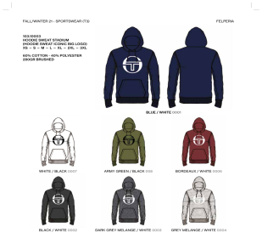 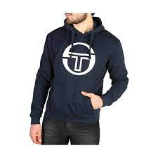 | 103-10003 | HOODED SWEAT | BLUE WHITE | 59.90 € | 17.45 € |  | 406 | 812 | 1218 | 1218 | 812 | 406 | 4872
 | 103-10003 | HOODED SWEAT | WHITE/BLACK | 59.90 € | 17.45 € |  | 400 | 800 | 1200 | 1200 | 800 | 400 | 4800
 | 103-10003 | HOODED SWEAT | ARMY GREEN/WHITE | 59.90 € | 17.45 € |  | 48 | 96 | 144 | 144 | 96 | 48 | 576
 | 103-10003 | HOODED SWEAT | BORDEAUX/WHITE | 59.90 € | 17.45 € |  | 116 | 232 | 348 | 348 | 232 | 116 | 1392
 | 103-10003 | HOODED SWEAT | BLACK/WHITE | 59.90 € | 17.45 € |  | 306 | 612 | 918 | 918 | 612 | 306 | 3672
 | 103-10003 | HOODED SWEAT | GREY MEL/WHITE | 59.90 € | 17.45 € |  | 50 | 100 | 150 | 150 | 100 | 50 | 600
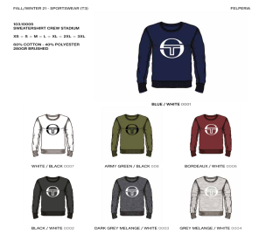 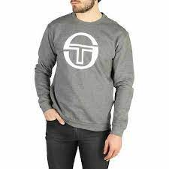 | 103-10005 | SWEAT | BLUE WHITE | 54.90 € | 16.45 € |  | 122 | 244 | 366 | 366 | 244 | 122 | 1464 | .
 | 103-10005 | SWEAT | BLUE WHITE | 54.90 € | 16.45 € |  | 60 | 90 | 90 | 60 | 30 |  | 330
 | 103-10005 | SWEAT | BORDEAUX/WHITE | 54.90 € | 16.45 € |  | 40 | 80 | 120 | 120 | 80 | 40 | 480
 | 103-10005 | SWEAT | BLACK/WHITE | 54.90 € | 16.45 € |  | 34 | 68 | 102 | 102 | 68 | 34 | 408
 | 103-10005 | SWEAT | BLACK/WHITE | 54.90 € | 16.45 € |  | 240 | 360 | 360 | 240 | 120 |  | 1320
 | 103-10005 | SWEAT | DARK GREY MEL/WHITE | 54.90 € | 16.45 € |  | 34 | 68 | 102 | 102 | 68 | 34 | 408
 | 103-10005 | SWEAT | GREY MEL/WHITE | 54.90 € | 16.45 € |  | 40 | 80 | 120 | 120 | 80 | 40 | 480
 | 103-10005 | SWEAT | GREY MEL/WHITE | 54.90 € | 16.45 € |  | 2 | 2 | 6 | 2 | 6 | 6 | 24
 | 103-10009 | JOGGING | BLACK/WHITE | 54.90 € | 16.45 € |  | 1000 | 1600 | 2500 | 2500 | 1600 | 800 | 10000
 | 103-10009 | JOGGING | GREY MEL/WHITE | 54.90 € | 16.45 € |  | 280 | 560 | 840 | 840 | 560 | 280 | 3360
 | 103-10009 | JOGGING | BLUE WHITE | 54.90 € | 16.45 € |  | 400 | 700 | 1400 | 1400 | 700 | 400 | 5000
 | 103-10009 | JOGGING | BLUE WHITE | 54.90 € | 16.45 € |  |  |  | 12 | 12 |  |  | 24
 | 103.20040 | T SHIRT | 002 NAVY/WHITE | 29.90 € | 10.95 € |  | 120 | 290 | 290 | 290 | 120 | 50 | 1160
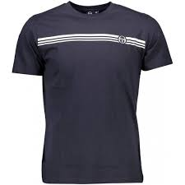
 | 103.20040 | T SHIRT | BLACK/WHITE | 29.90 € | 10.95 € |  | 120 | 290 | 290 | 290 | 120 | 50 | 1160
 | 103.20040 | T SHIRT | RED/WHITE | 29.90 € | 10.95 € | 9 | 36 | 132 | 132 | 31 |  |  | 340
 | 103.20040 | T SHIRT | ARMYG / black | 29.90 € | 10.95 € | 4 | 113 | 231 | 305 | 91 |  |  | 744
 | 103.20040 | T SHIRT | WHITE/BLACK | 29.90 € | 10.95 € |  | 120 | 290 | 290 | 290 | 120 |  | 1110
 | 103.20040 | T SHIRT | BORDEAUX/NAVY | 29.90 € | 10.95 € | 0 | 120 | 340 | 340 | 270 | 60 |  | 1130
 | 103.20040 | T SHIRT | DK GREY MEL / WHITE | 29.90 € | 10.95 € | 49 | 99 | 200 | 199 | 99 | 49 |  | 695
 | 103.20040 | T SHIRT | LIGHT GREY MEL/WHITE | 29.90 € | 10.95 € | 49 | 49 | 100 | 100 | 50 |  |  | 348
 | 103.20038 | T SHIRT | NAVYWHTRED | 29.90 € | 10.95 € | 45 | 90 | 345 | 435 | 435 | 210 | 45 | 1605
 | 103.20038 | T SHIRT | BLKWHTORANGE | 29.90 € | 10.95 € | 30 | 60 | 230 | 290 | 250 | 36 |  | 896
 | 103.20038 | T SHIRT | REDWHTNAVY | 29.90 € | 10.95 € | 26 | 45 | 90 | 145 | 90 |  |  | 396
 | 103.20038 | T SHIRT | WHTNAVYRED | 29.90 € | 10.95 € | 30 | 60 | 120 | 150 | 120 | 120 | 25 | 625
 | 103.20038 | T SHIRT | BORDWHTNAVY | 29.90 € | 10.95 € | 18 | 45 | 120 | 150 | 120 | 120 | 18 | 591
 | 103.20037 | SWIMWEAR | 002 NAVY/WHITE | 39.90 € | 12.95 € | 4 | 45 | 190 | 235 | 233 | 116 | 41 | 864
 | 103.20037 | SWIMWEAR | BLACK/WHITE | 39.90 € | 12.95 € |  |  | 389 | 467 | 168 | 115 |  | 1139
 | 103.20037 | SWIMWEAR | ARMYG / black | 39.90 € | 12.95 € | 8 | 6 | 97 | 211 | 96 | 97 | 8 | 523
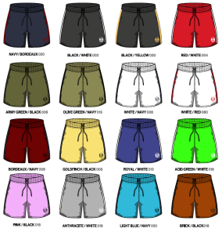
 | 103.20037 | SWIMWEAR | brick/black | 39.90 € | 12.95 € | 23 | 43 | 198 | 233 | 134 | 119 | 45 | 795
 | 103.20037 | SWIMWEAR | ANTHRACITE/WHITE | 39.90 € | 12.95 € | 4 | 9 | 49 | 79 | 15 | 51 |  | 207
 | 103.20037 | SWIMWEAR | LIGHTBLUE/white | 39.90 € | 12.95 € | 2 | 1 | 89 | 115 | 3 | 2 |  | 212
 | 103.20037 | SWIMWEAR | navy/bordeaux | 39.90 € | 12.95 € | 2 | 40 | 420 | 798 | 474 | 181 | 29 | 1944
 | 103.20037 | SWIMWEAR | black/yellow | 39.90 € | 12.95 € | 5 | 26 | 331 | 401 | 311 | 72 | 9 | 1155
 | 103.20034 | BERMUDA | NAVY/ORANGE | 44.90 € | 13.95 € |  | 10 | 20 | 20 | 20 | 10 |  | 80
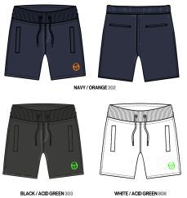 | 103.20034 | BERMUDA | BLACK/ACID GREEN | 44.90 € | 13.95 € |  | 10 | 20 | 20 | 20 | 10 |  | 80
 | 103.20033 | BERMUDA | 002N NAVY | 44.90 € | 13.95 € | 50 | 250 | 500 | 750 | 750 | 500 | 250 | 3050
 | 103.20033 | BERMUDA | BLACK | 44.90 € | 13.95 € | 50 | 250 | 500 | 750 | 750 | 500 | 250 | 3050
 | 103.20033 | BERMUDA | DK GREY MELANGE | 44.90 € | 13.95 € | 25 | 100 | 200 | 200 | 200 | 100 | 50 | 875
 | 103.20033 | BERMUDA | LIGHT GREY MELANGE | 44.90 € | 13.95 € | 25 | 100 | 200 | 200 | 200 | 100 | 50 | 875
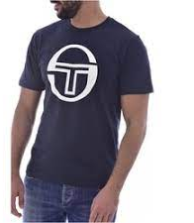
 | 103.10008 | T SHIRT | BLUE WHITE | 29.90 € | 10.95 € |  | 20 | 40 | 40 | 40 | 20 |  | 160
 | 103.10008 | T SHIRT | BLACK WHITE | 29.90 € | 10.95 € |  | 12 | 26 | 55 | 24 | 22 |  | 139
 | 103.10008 | T SHIRT | BLUE WHITE | 29.90 € | 10.95 € | 11 | 153 | 247 | 259 | 392 | 112 | 85 | 1259
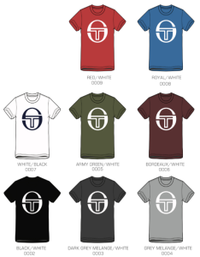
 | 103.10008 | T SHIRT | BLACK WHITE | 29.90 € | 10.95 € | 33 | 168 | 229 | 294 | 389 | 146 | 51 | 1310
 | 103.10008 | T SHIRT | DARK GREY MELANGE WHITE | 29.90 € | 10.95 € | 10 | 20 | 40 | 40 | 20 | 10 |  | 140
 | 103.10008 | T SHIRT | ARMY GREEN WHITE | 29.90 € | 10.95 € | 10 | 20 | 40 | 40 | 20 |  |  | 130
 | 103.10008 | T SHIRT | BORDEAUX WHITE | 29.90 € | 10.95 € | 0 | 30 | 60 | 90 | 90 | 30 | 8 | 308
 | 103.10008 | T SHIRT | WHITE BLACK | 29.90 € | 10.95 € |  | 295 | 701 | 808 | 237 | 41 |  | 2082
 | 103.10008 | T SHIRT | RED WHITE | 29.90 € | 10.95 € | 15 | 30 | 60 | 60 | 60 | 30 |  | 255
 | 103.20022 | POLO | 002 NAVY/WHITE | 39.90 € | 12.95 € |  | 4 | 12 | 16 |  |  |  | 32
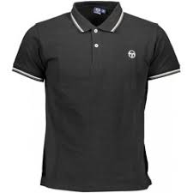
 | 103.20022 | POLO | RED/WHITE | 39.90 € | 12.95 € |  |  | 20 | 22 | 22 | 12 | 0 | 76
 | 103.20022 | POLO | GOLDFINCH/BLACK | 39.90 € | 12.95 € |  | 9 | 18 | 18 | 18 | 9 | 0 | 72
 | 103.20022 | POLO | ARMYG / black | 39.90 € | 12.95 € |  | 2 |  | 8 | 8 | 4 | 2 | 24
 | 103.20022 | POLO | WHITE/NAVY | 39.90 € | 12.95 € |  | 10 | 20 | 24 | 24 | 10 | 3 | 91
 | 103.20022 | POLO | BORDEAUX/NAVY | 39.90 € | 12.95 € |  | 2 |  | 10 |  | 4 |  | 16
 | 103.20022 | POLO | DK GREY MEL / WHITE | 39.90 € | 12.95 € |  | 2 | 8 |  | 12 | 4 |  | 26
 | 103.20022 | POLO | LIGHT GREY MEL/NAVY | 39.90 € | 12.95 € |  | 2 | 6 |  | 8 |  |  | 16
 | 103.20022 | POLO | forest green/white | 39.90 € | 12.95 € |  | 1 | 20 | 20 | 20 | 10 | 0 | 71
 | 103.20022 | POLO | ACID GREEN/WHITE | 39.90 € | 12.95 € |  | 2 | 2 | 2 | 2 | 1 | 1 | 10
 | 103.20022 | POLO | ANTHRACITE/WHITE | 39.90 € | 12.95 € |  |  | 10 | 15 | 15 | 10 | 0 | 50
 | 103.20022 | POLO | navy/bordeaux | 39.90 € | 12.95 € |  | 10 | 20 | 20 | 20 | 10 | 0 | 80
 | 103.20021 | POLO | 002 NAVY/WHITE | 39.90 € | 12.95 € |  |  | 30 | 30 | 30 | 15 |  | 105
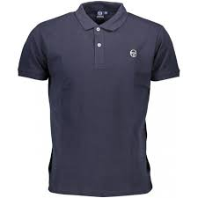
 | 103.20021 | POLO | BLACK/WHITE | 39.90 € | 12.95 € |  |  | 30 | 30 | 30 | 15 | 0 | 105
 | 103.20021 | POLO | RED/WHITE | 39.90 € | 12.95 € |  |  |  | 8 | 8 |  | 2 | 18
 | 103.20021 | POLO | GOLDFINCH/BLACK | 39.90 € | 12.95 € |  |  | 10 | 10 | 10 | 5 | 0 | 35
 | 103.20021 | POLO | WHITE/NAVY | 39.90 € | 12.95 € |  | 15 | 30 | 30 | 15 | 10 | 0 | 100
 | 103.20021 | POLO | BORDEAUX/NAVY | 39.90 € | 12.95 € |  | 15 | 30 | 30 | 15 | 10 |  | 100
 | 103.20021 | POLO | DK GREY MEL / WHITE | 39.90 € | 12.95 € |  | 15 | 30 | 30 | 15 | 10 |  | 100
 | 103.20021 | POLO | pink / black | 39.90 € | 12.95 € |  | 3 | 8 | 2 | 5 |  |  | 18
 | 103.20021 | POLO | ANTHRACITE/WHITE | 39.90 € | 12.95 € |  | 6 | 12 | 16 | 16 | 12 | 2 | 64
 | 103.20021 | POLO | black/yellow | 39.90 € | 12.95 € |  | 12 | 22 | 26 | 26 | 14 | 2 | 102
 | 103.20021 | POLO | white/red | 39.90 € | 12.95 € |  | 10 | 20 | 20 | 20 | 10 | 5 | 85
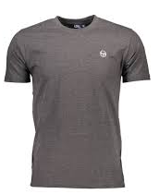
 | 103.10007 | T SHIRT | BLACK WHITE | 29.90 € | 10.95 € | 1 | 6 | 12 | 12 | 6 | 3 | 1 | 41
 | 103.10007 | T SHIRT | DARK GREY MELANGE WHITE | 29.90 € | 10.95 € |  | 4 | 8 | 8 | 4 | 2 | 0 | 26
 | 103.10007 | T SHIRT | WHITE BLACK | 29.90 € | 10.95 € |  | 12 | 24 | 24 | 12 | 6 |  | 78
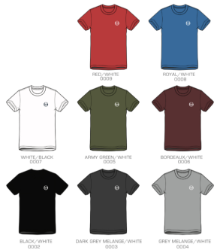
 | 103.10007 | T SHIRT | RED WHITE | 29.90 € | 10.95 € |  | 12 | 24 | 24 | 12 | 6 |  | 78
 | 103.10007 | T SHIRT | BLUE WHITE | 29.90 € | 10.95 € |  | 10 | 20 | 20 | 20 | 10 |  | 80
 | 103.10007 | T SHIRT | BLACK WHITE | 29.90 € | 10.95 € |  | 10 | 20 | 20 | 20 | 10 |  | 80
 | 103.10007 | T SHIRT | ARMY GREEN WHITE | 29.90 € | 10.95 € |  | 12 | 24 | 24 | 12 | 6 |  | 78
 | 103.10007 | T SHIRT | BORDEAUX WHITE | 29.90 € | 10.95 € |  | 12 | 24 | 24 | 12 | 6 |  | 78

